Exhibit A.2 Budget
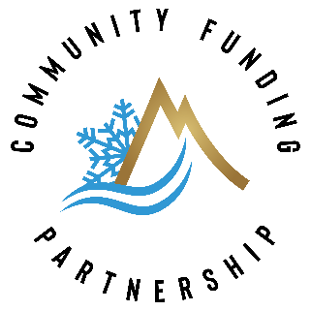

Exhibit A.2 Budget
Date:6/2/2022
Project Name: CCDC Upper West Lateral Pipeline and SCADA project
Awardee: Crawford Clipper Ditch Company
CRD Funding Award: $150,00.00

Project Budget
Task No.* | Task Name | Units** | # of Units | Cost Per Unit | CRD Funds
1 | Permitting Engineering | LS | 1.00 | $30,000.00 | $10,000.00
2 | Construction and Materials
 | <=42" Pipeline and appertances | LF | 4900.00 | $154.00 | $80,000.00
 | Irrigation Reservoirs | CY | 16940.00 | $8.00 | $45,000.00
 | Sediment Basin | CY | 4445.00 | $8.20 | $5,000.00
3 | SCADA | LS | 1.00 | $41,000.00
4 | Construction Mgmt | LS |  | $32,112.00 | $5,000.00
5 | Contract Mgmt | LS |  | $5,000.00 | $5,000.00
CRD Funding Award |  |  |  |  | $150,000
*Please document expenses at the task level (i.e. totalling all subtasks)
**I.e. hours (HRS), cubic yards (CY), square feet (SQFT), lump sum (LS) etc.

River District has the discretion to reallocate CRD funds between identified tasks not to exceed total funding award.

